Best Model
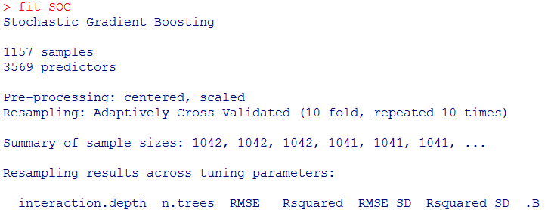
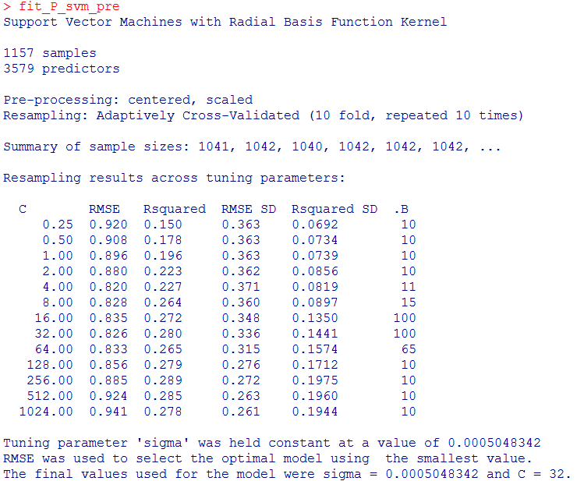

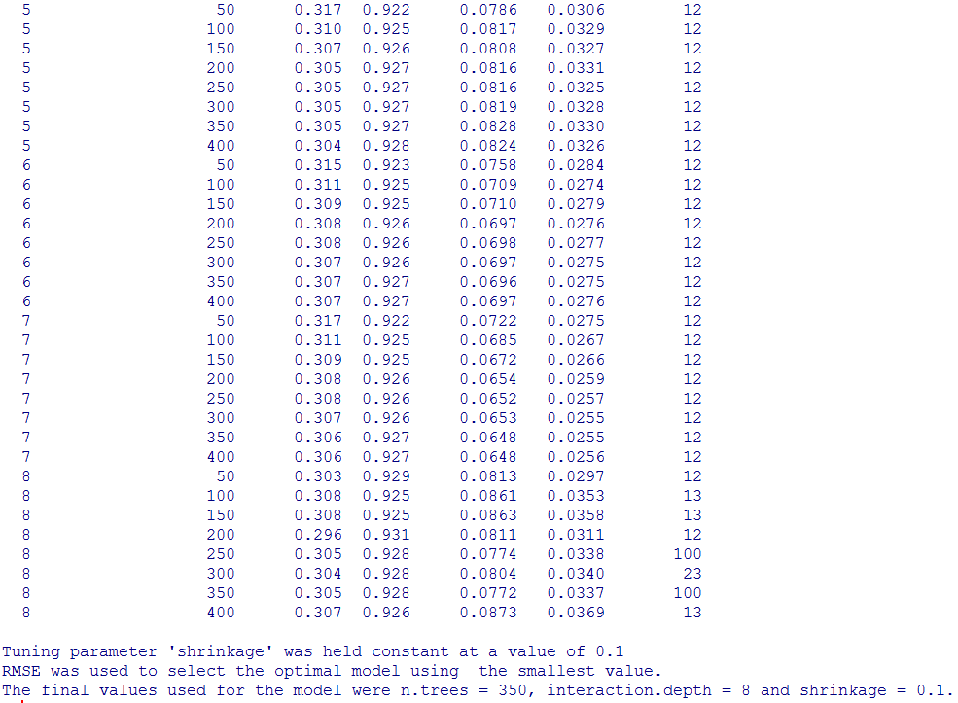

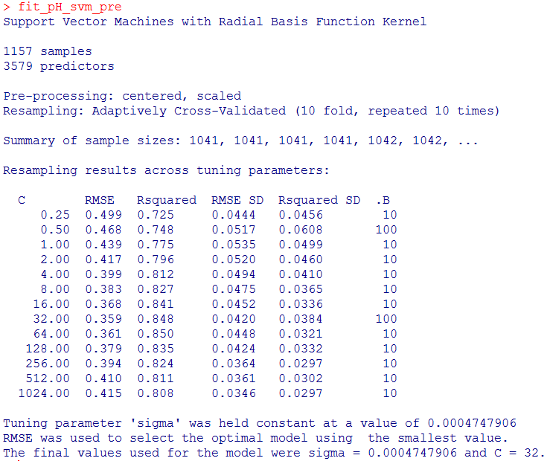

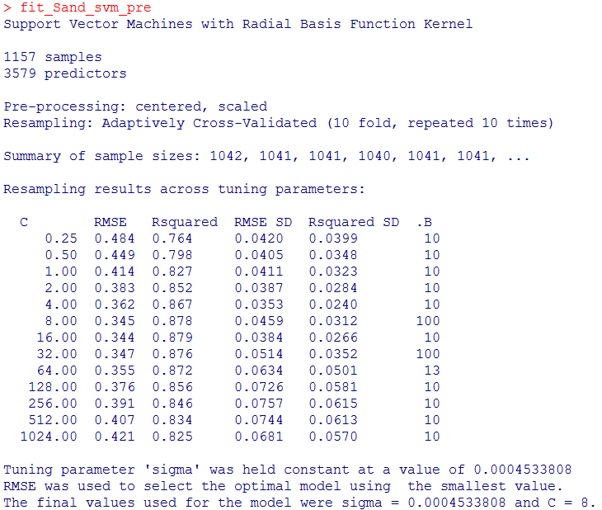

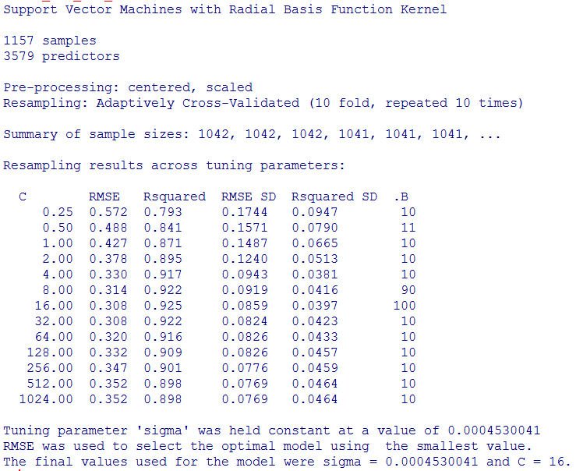

BEST
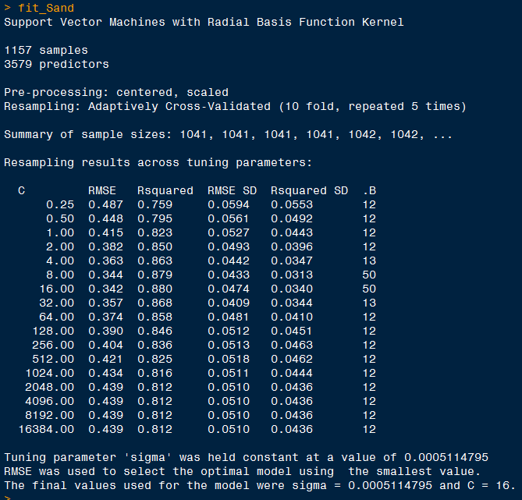
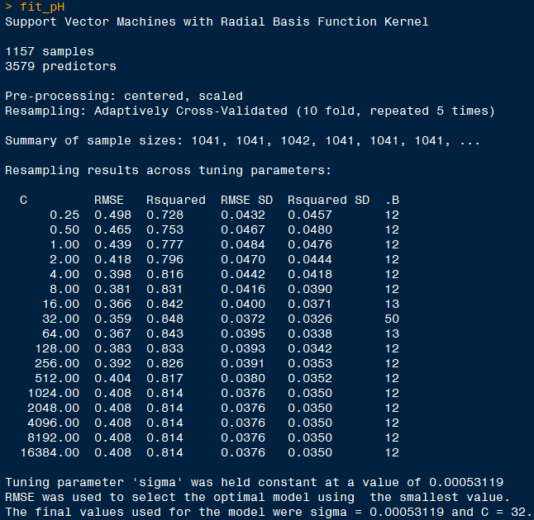
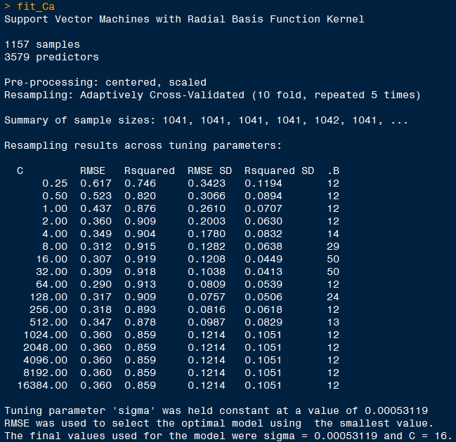
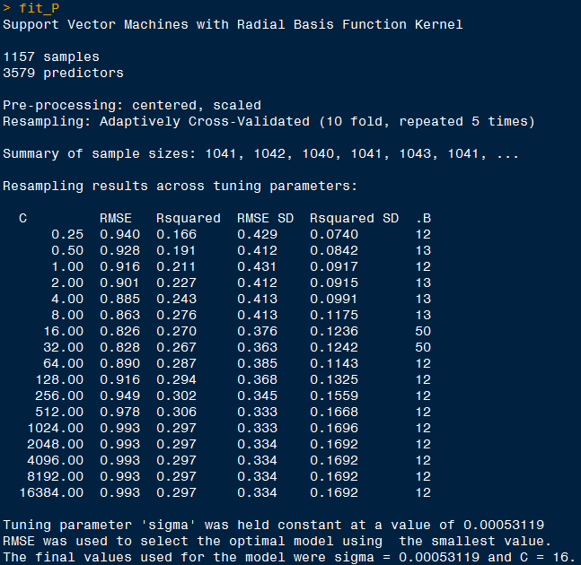
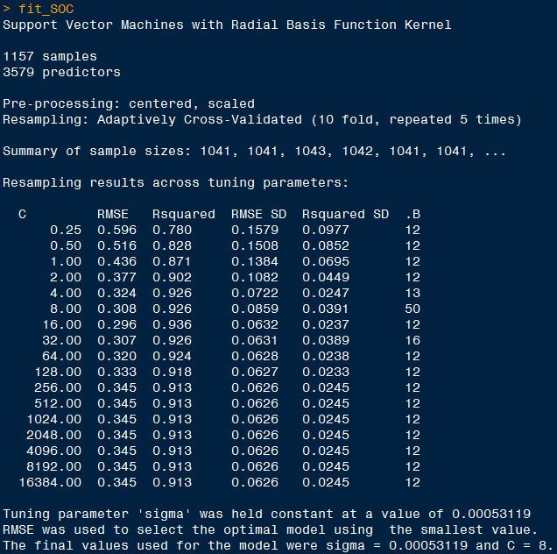
Raw Data |  |  |  |  |  | Savitzky-Golay
 | RMSE | R2 | RMSE SD | R2 SD |  |  | RMSE | R2 | RMSE SD | R2 SD |  | RMSE | 10:05:00 | R2 | RMSE | 10:10:00 | R2
Ca | 0.301 | 0.922 |  |  | 0.167 | Ca | 0.263 | 0.945 | 0.0889 | 0.0227 | SOC | 0.312 | SVMRadial | 0.925 | 0.302 | SVMRadial | 0.928
P | 0.826 | 0.28 | 0.336 | 0.1441 | 0.5274 | P | 0.746 | 0.397 | 0.308 | 0.163 | pH | 0.359 | SVMRadial | 0.848 | 0.357 | SVMRadial | 0.849
PH | 0.359 | 0.848 | 0.042 | 0.0384 | 0.3395 | PH | 0.333 | 0.87 | 0.0399 | 0.0284 | Ca | 0.301 | SVMRadial | 0.922 |  | SVMRadial
Sand | 0.345 | 0.878 | 0.0459 | 0.0312 | 0.3547 | Sand | 0.315 | 0.898 | 0.0494 | 0.0332 | P | 0.816 | SVMRadial | 0.277 |  | SVMRadial
SOC | 0.305 | 0.928 | 0.0772 | 0.0337 | 0.344 | SOC | 0.305 | 0.928 | 0.0772 | 0.0337 | Sand | 0.34 | SVMRadial | 0.882 |  | SVMRadial
Avg | 0.4272 | 0.7712 | 0.125275 | 0.06185 | 0.34652 | Avg | 0.3924 | 0.8076 | 0.11268 | 0.0562 | Avg | 0.4256 |  | 0.7708 | 0.3295 |  | 0.8885

SVMRadial
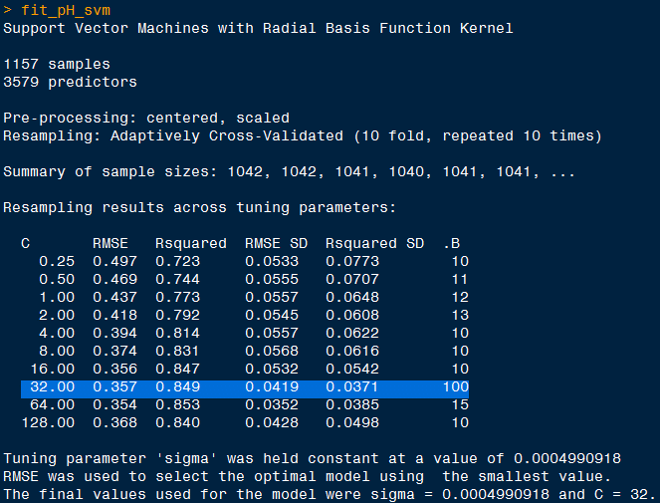
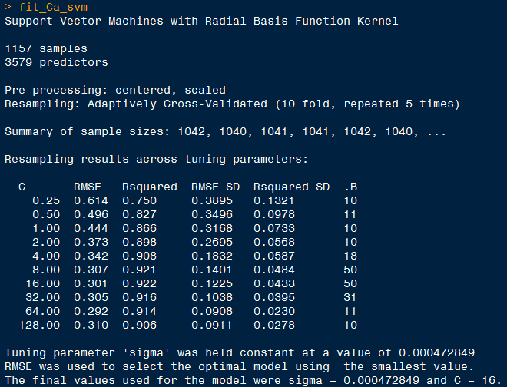
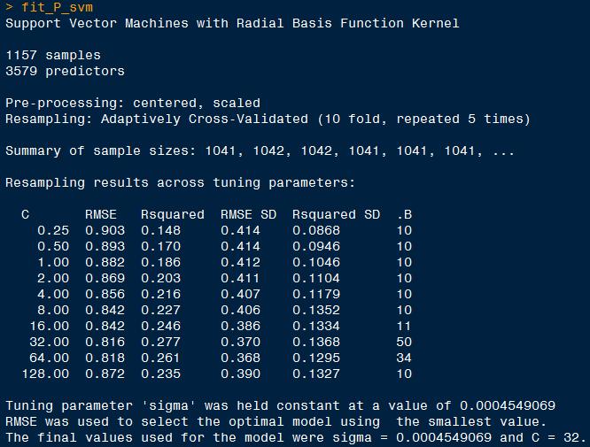
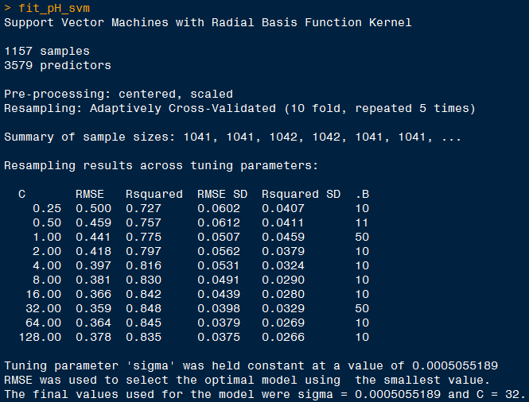

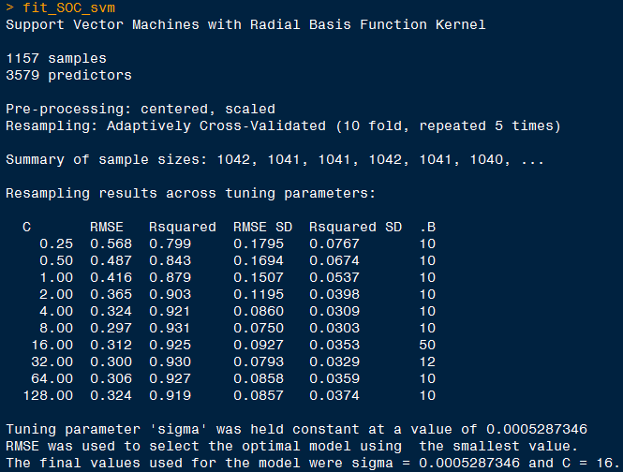
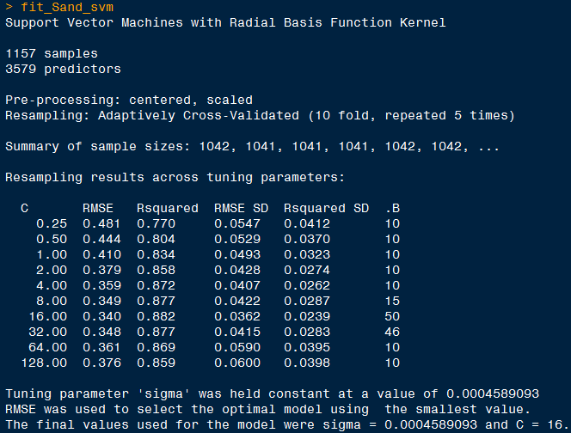
 | RMSE
SOC | 0.573 | GBR
pH | 0.548 | BayesianRidge
Ca | 0.415 | SVRLinearKernel
P | 0.996 | SVRLinearKernel
Sand | 0.525 | SVRLinearKernel
 | RMSE | 10:05:00 | R2 | RMSE | 10:10:00 | R2
SOC | 0.312 | SVMRadial | 0.925 | 0.302 | SVMRadial | 0.928
pH | 0.359 | SVMRadial | 0.848 | 0.357 | SVMRadial | 0.849
Ca | 0.301 | SVMRadial | 0.922 |  | SVMRadial
P | 0.816 | SVMRadial | 0.277 |  | SVMRadial
Sand | 0.34 | SVMRadial | 0.882 |  | SVMRadial |  | 0.3521 (e1071)
 |  |  |  |  |  |  | 0.3475

outlier
